Sheet2
Sum of Price | Sum of Qty
₹ 810,090 | 3,604

₹ 810,090 | 3,604

Row Labels | Sum of Amount
Mouse | ₹ 878,640
Monitor | ₹ 1,373,000
Printer | ₹ 1,677,380
HDD 256 GB | ₹ 1,882,310
Keyboard | ₹ 2,044,530
Grand Total | ₹ 7,855,860

Row Labels | Sum of Qty
Cash | 1804
Online | 1800
Grand Total | 3604

Row Labels | Sum of Qty
Mouse | 481
Monitor | 568
Printer | 640
HDD 256 GB | 928
Keyboard | 987
Grand Total | 3604

Row Labels | Sum of Qty
ABC Traders | 874
CCC Mart | 741
RG Store | 1251
Grand Total | 2866

Previous 28 Days | (All)

Row Labels | Sum of Qty
01-Jun | 21
02-Jun | 22
03-Jun | 27
04-Jun | 14
05-Jun | 21
06-Jun | 22
07-Jun | 27
08-Jun | 14
09-Jun | 21
10-Jun | 22
11-Jun | 27
12-Jun | 14
13-Jun | 21
14-Jun | 22
15-Jun | 27
16-Jun | 14
17-Jun | 21
18-Jun | 22
19-Jun | 27
20-Jun | 14
21-Jun | 21
22-Jun | 22
23-Jun | 27
24-Jun | 14
25-Jun | 21
26-Jun | 22
27-Jun | 27
28-Jun | 14
Grand Total | 588

Previous 28 Days | (All)

Row Labels | Sum of Qty
01-Jul | 27
02-Jul | 14
03-Jul | 21
04-Jul | 22
05-Jul | 27
06-Jul | 14
07-Jul | 21
08-Jul | 22
09-Jul | 27
10-Jul | 14
11-Jul | 21
12-Jul | 22
13-Jul | 27
14-Jul | 14
15-Jul | 22
16-Jul | 14
17-Jul | 18
18-Jul | 11
19-Jul | 14
20-Jul | 10
21-Jul | 18
22-Jul | 17
23-Jul | 9
24-Jul | 10
25-Jul | 11
26-Jul | 17
27-Jul | 16
28-Jul | 9
Grand Total | 489

Dashboard
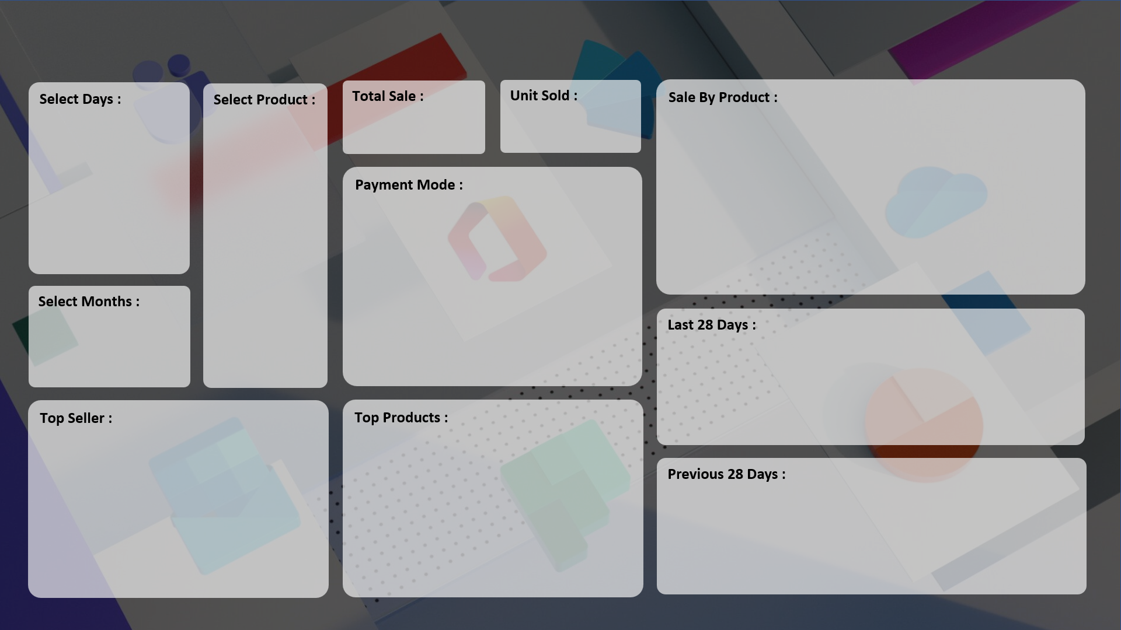

₹ 8,10,090
3,604
 | Total
Mouse | ₹ 878,640
Monitor | ₹ 1,373,000
Printer | ₹ 1,677,380
HDD 256 GB | ₹ 1,882,310
Keyboard | ₹ 2,044,530

 | Total
Cash | 1804
Online | 1800

 | Total
01-Jun | 21
02-Jun | 22
03-Jun | 27
04-Jun | 14
05-Jun | 21
06-Jun | 22
07-Jun | 27
08-Jun | 14
09-Jun | 21
10-Jun | 22
11-Jun | 27
12-Jun | 14
13-Jun | 21
14-Jun | 22
15-Jun | 27
16-Jun | 14
17-Jun | 21
18-Jun | 22
19-Jun | 27
20-Jun | 14
21-Jun | 21
22-Jun | 22
23-Jun | 27
24-Jun | 14
25-Jun | 21
26-Jun | 22
27-Jun | 27
28-Jun | 14

 | Total
ABC Traders | 874
CCC Mart | 741
RG Store | 1251
 | Total
Mouse | 481
Monitor | 568
Printer | 640
HDD 256 GB | 928
Keyboard | 987

 | Total
01-Jul | 27
02-Jul | 14
03-Jul | 21
04-Jul | 22
05-Jul | 27
06-Jul | 14
07-Jul | 21
08-Jul | 22
09-Jul | 27
10-Jul | 14
11-Jul | 21
12-Jul | 22
13-Jul | 27
14-Jul | 14
15-Jul | 22
16-Jul | 14
17-Jul | 18
18-Jul | 11
19-Jul | 14
20-Jul | 10
21-Jul | 18
22-Jul | 17
23-Jul | 9
24-Jul | 10
25-Jul | 11
26-Jul | 17
27-Jul | 16
28-Jul | 9

